Pump Calculations
Solar Energy Group (Pty) Ltd
Solar Water Pump Calculation Sheet
Please fill/type in and return via e-mail to: sales@SolarEnergyGroup.co.za or Fax it through to: 011 604 0426
Personal/Company Details (fill in where applicable)
Client name:
Contact Number(s)
Company name:
E-mail address
Location/Area:
Vat number:
Pump Calculations (Please fill in the light blue blocks)
Nr | Description | Notes | Figure (Meters) | Figure (Meters)
Pump Distances |  |  | Actual | Example
A | Total Borehole Depth | Ground level to the bottom of the borehole. The pump must never be to close to the bottom otherwise it sucks up dirt & debris that clogs and breaks the pump. Tested by lowering a weight down the hole attached to a rope, when the weight hits the bottom the rope slacks. |  | 100
B | Water height in the bore hole | Ground level to water level. The height at which the water stands in the borehole. Measured by dropping a SEGallish rock down the bore hole and counting the seconds until it hits the water. The rock falls at 1 meter per second. |  | 50
C | Run-in / Tank height | Ground level to the heighest point the water runs into the reservoir. Also refered to as tank height. The closer the tank/reservoir is to the ground the less the pump needs to lift and the more water it will deliver per hour. |  | 10
D | Total head | Run-in at the tank/dam/reservoir to the top part of the pump. | 0 | 60
E | Horisontal pumping distance | Add 5m per 100m horisontal distance or if there is an incline add the height difference (E.g. 5 meter height difference over 200meter = +5 meter) |  | 5
F | Reservoir/Tank capacity (in liters/Kilo liters) | Size of the tank, reservoir, dam, etc The reservoir must be able to handle the daily delivery of the pump. |  | 3000
 | Totale distansie |  | 0 | 65

Water delivery capacity
G | Tested delivery capacity of the water source | What is the tested delivery capacity of the borehole, dam, put, well, river, aquifer, etc deliver per hour/minute? Keep in mind that a borehole can become a dry well if more water is pumped from it than can be replaced by the ground water sources. Please ensure a tested figure is provided. |  | 2000.00

Amount of water required
H | Per hour in liters (over 6 hours of average sunlight per day) | 1000 liters = 1 kiloliter | 0.00 | 1666.67
 | Per day in liters |  |  | 10000
 | Per hour in liter (over 6 hours) |  | 0.00 | 1.67
 | Per day in kilo liter |  | 0 | 10
 | Average hours of sunlight per day | Average in SA. Cloudy conditions, winter and summer allowed for. | 6 | 6

Additional Information required
I | Additional information: Any other additional information that might influence the system, delivery or operation of the pumping system is of importance and will have to be taken into account when the pump is selected. This might include things like number of nozzles, pressure required, etc (for irrigation purposes). Also information like the type of borehole, if it is a new or old hole, water quality, etc needs to be provided upfront. The more information the better. Please note SEG does not supply installers on pumps.
 | Add additional information here:

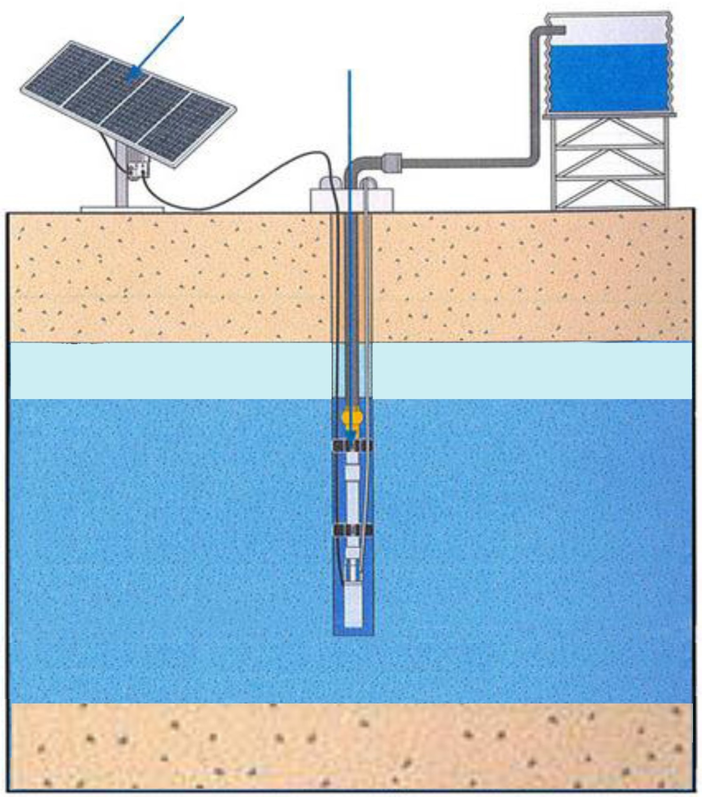
A
C
B
D
E
F
Controller Box
1: Solar Panel Array - Supplies power to
run the Solar Pump
2: Controller Box - Converts the high
voltage DC power that comes from the
solar panels to low voltage AC that
drives the pump & wet end.
3: Solar Water Pump - Special low voltage
pump (Helical or Centrifugal type).
Solar Panel Array
(up to 16 panels)
Solar Water Pump
A: Total borehole depth
B: Water height in the borehole
C: Run-in / Tank height
D: Total head
E: Horisontal pumping distance
F: Reservoir/Tank/Dam capacity
G: Tested delivery capacity
H: Amount of water required
3
2
1

H
G

